Instructions
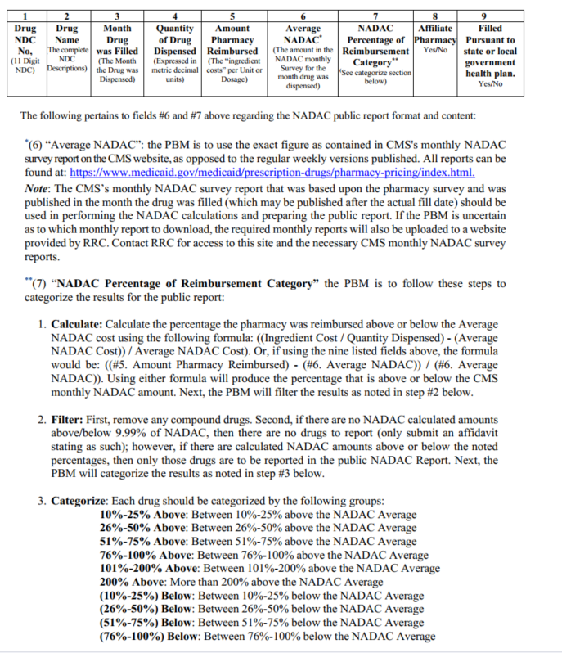
NADAC Report: | National Average Drug Acquisition Cost | Medicaid

